Q1
 | NAME :
 | SECTION :
 | ROLL NO:
 | REGNO:
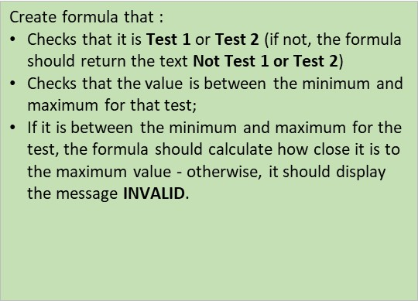

Sample | Test | Result | Test Status | If it was test 1 use test 1 min/max
151/A5 | 1 | 0.004660 |  | If test 2 use test 2 min/max
158/F7 | 4 | 0.009980
159/G1 | 2 | 0.000331 |  | Test 1 Min | 0.00451
159/T3 | 1 | 0.004660 |  | Test 1 Max | 0.00483
162/R8 | 6 | 0.000392 |  | Test 2 Min | 0.000389
162/W1 | 1 | 0.000399 |  | Test 2 Max | 0.000407
165/K7 | 1 | 0.004630
165/M4 | 2 | 0.004630 |  | Careful - what if test is not 1 or 2?
165/P5 | 3 | 0.000408 |  | Message to say "not Test 1 or 2"

